Folha1
#241
Photo | Ref. | Brand | Colour | 36 | 37 | 38 | 39 | 40 | 41 | 42 | 43 | 44 | 45 | 46 | Total
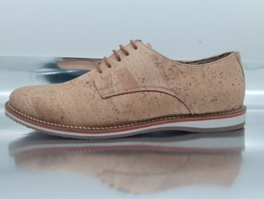 | 6000 |  | Cork |  |  |  |  |  |  |  | 3 | 1 | 7 |  | 11
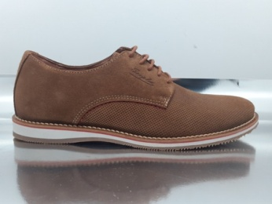 | 6000 | Souplex | Suede Cognak |  |  |  | 3 | 4 | 2 | 0 | 1 | 1 | 0 |  | 11
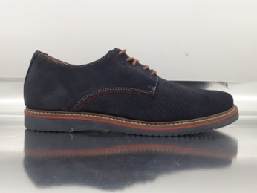 | 6000 | Souplex | Suede Blue |  |  |  |  |  | 2 |  |  |  |  |  | 2
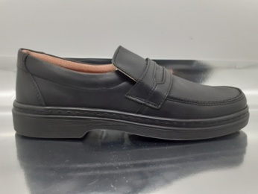 | 838 | souplex | Black Leather |  |  |  |  | 2 | 4 | 4 | 1 | 2 | 1 |  | 14
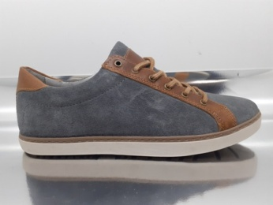 | 4084 | Souplex | Suede Grey |  |  |  |  |  |  | 2 | 1 |  |  |  | 3
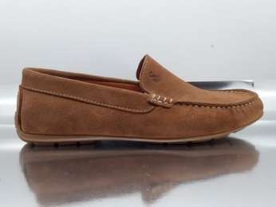 | 9003 | Souplex | Suede Cognac |  |  |  | 1 | 1 | 1 | 9 |  |  | 2 | 1 | 15
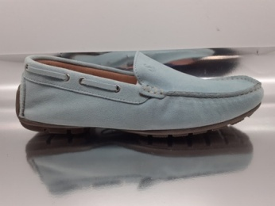 | 9003 | Souplex | Suede Aqua |  |  |  |  | 1 | 1 |  | 2 |  |  |  | 4
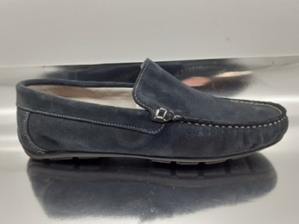 | 9003 | Souplex | Navy |  |  |  |  |  | 1 |  |  |  |  |  | 1
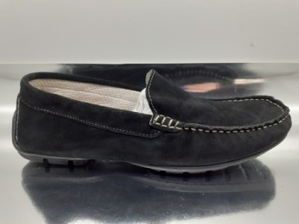 | 9003 | Souplex | Suede Black |  |  |  |  |  |  |  | 1 |  |  |  | 1
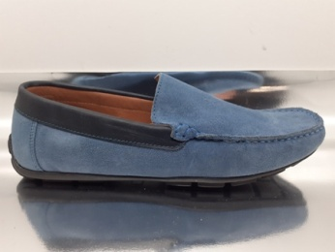 | 9003 | Souplex | Suede Blue |  |  |  |  | 5 | 2 | 1 |  | 4 | 2 |  | 14
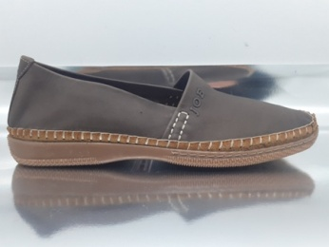 | 63256 | JOE | Brown Leather |  |  |  |  |  |  |  |  |  |  |  | 150
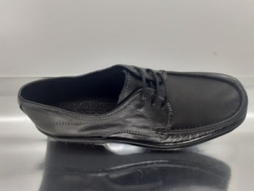 | 65854 | JOE | Black Leather |  |  |  |  |  |  |  |  |  |  |  | 150
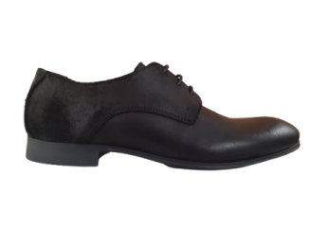 |  | Norberto Ccosta | Oil Suede Black |  |  |  |  | 12 | 16 | 34 | 34 | 47 | 21 | 20 | 184
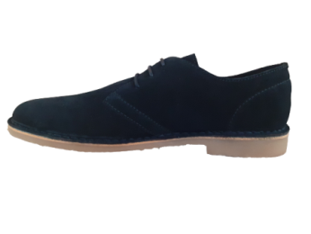 |  | Office | Suede Black |  |  |  |  |  | 3 | 5 | 24 | 47 | 12 | 5 | 96
 |  | Office | Suede Brown |  |  |  |  |  |  | 15 | 64 | 43 | 28 | 7 | 157

 |  |  |  |  |  |  |  |  |  |  |  |  |  |  | 813

